ATM Data
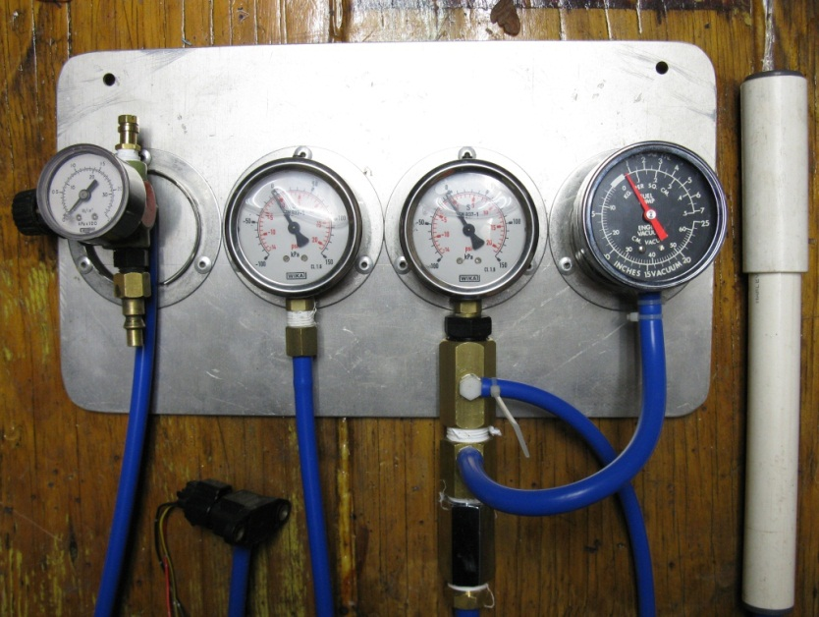
Current Atmospheric Pressure : |  | 1022.7 | hPa

 |  | 102.27 | kPa

 | This spread sheet is being aimed at comparing as many OEM Manifold Air Pressure (MAP) sensors as I can get my hands on, the idea is to take the guess work out of which is the best OEM sensor for your setup, where to find them and obtaining the correct calibration data. It will be updated as new ones are located. Every attempt has been made to maintain the same conditions for every test, so a dedicated testing rig has been built (shown right) and will be used for further tests. How to use : Enter your 'current atmospheric pressure' in the green field above, this information can be obtained from a barometer or a local weather station webpage.

DENSO - Honda PS-30
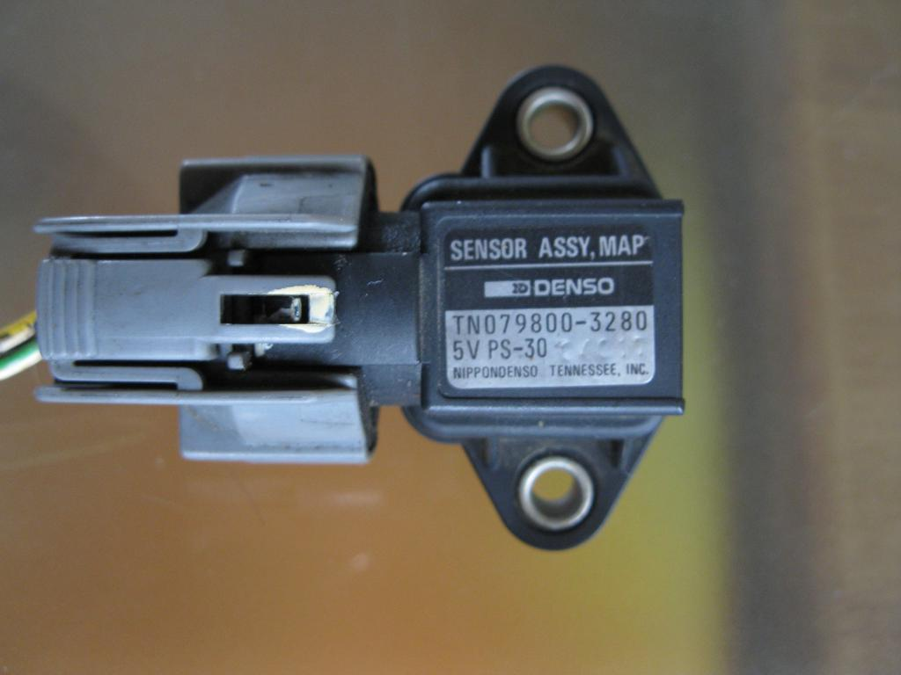
 | Voltage In | Sensor Vout
-70 | 5.19
-60 | 5.19
-50 | 5.19
-40 | 5.19
-30 | 5.19
-20 | 5.19
-10 | 5.19
0 | 5.19
10 | 5.19
20 | 5.19
30 | 5.19
40 | 5.19
50 | 5.19
60 | 5.19
70
 |  |  | Measured | Measured
 | Calculated kPa | Gauge increment KPA | Voltage In | Sensor Vout | Sensor_img\DENSO_Honda_PS-33.JPG

 | 32.27 | -70 | 5.19
 | 42.27 | -60 | 5.19
 | 52.27 | -50 | 5.19
 | 62.27 | -40 | 5.19
 | 72.27 | -30 | 5.19
 | 82.27 | -20 | 5.19
 | 92.27 | -10 | 5.19
Current ATM kPa | 102.27 | 0 | 5.19
 | 112.27 | 10 | 5.19
 | 122.27 | 20 | 5.19
 | 132.27 | 30 | 5.19
 | 142.27 | 40 | 5.19
 | 152.27 | 50 | 5.19
 | 162.27 | 60 | 5.19
 | 172.27 | 70 | 5.19

**Testing Notes** - Donner vehicle = Honda NA engine (Manifold/throttle body mounted) - Part # 079800-3280 - Voltage rating: 5V - Wire colour coding : - Red with Green Strip (RG) = V+ - Yellow with Red Strip (YR) = Vout - Greenn with White Strip (GW) = GND - Measured Resistance Readings : - RG ---> YR = X.XXkΩ - RG ---> GW = X.XXkΩ - YR ---> GW = X.XXkΩ - MAP Test date : 24-12-2011 @ 2115hrs : 1022 hPa

DENSO - Honda PS-33
 | Voltage In | Sensor Vout
-70 | 5.19 | 1.13
-60 | 5.19 | 1.37
-50 | 5.19 | 1.66
-40 | 5.19 | 1.88
-30 | 5.19 | 2.17
-20 | 5.19 | 2.50
-10 | 5.19 | 2.75
0 | 5.19 | 3.15
10 | 5.19 | 3.50
20 | 5.19 | 3.85
30 | 5.19 | 4.10
40 | 5.19 | 4.39
50 | 5.19 | 4.66
60 | 5.19 | 4.95
70
 |  |  | Measured | Measured
 | Calculated kPa | Gauge increment KPA | Voltage In | Sensor Vout | Sensor_img\DENSO_Honda_PS-33.JPG

 | 32.27 | -70 | 5.19 | 1.13
 | 42.27 | -60 | 5.19 | 1.37
 | 52.27 | -50 | 5.19 | 1.66
 | 62.27 | -40 | 5.19 | 1.88
 | 72.27 | -30 | 5.19 | 2.17
 | 82.27 | -20 | 5.19 | 2.50
 | 92.27 | -10 | 5.19 | 2.75
Current ATM kPa | 102.27 | 0 | 5.19 | 3.15
 | 112.27 | 10 | 5.19 | 3.50
 | 122.27 | 20 | 5.19 | 3.85
 | 132.27 | 30 | 5.19 | 4.10
 | 142.27 | 40 | 5.19 | 4.39
 | 152.27 | 50 | 5.19 | 4.66
 | 162.27 | 60 | 5.19 | 4.95
 | 172.27 | 70 | 5.19 | 5.14

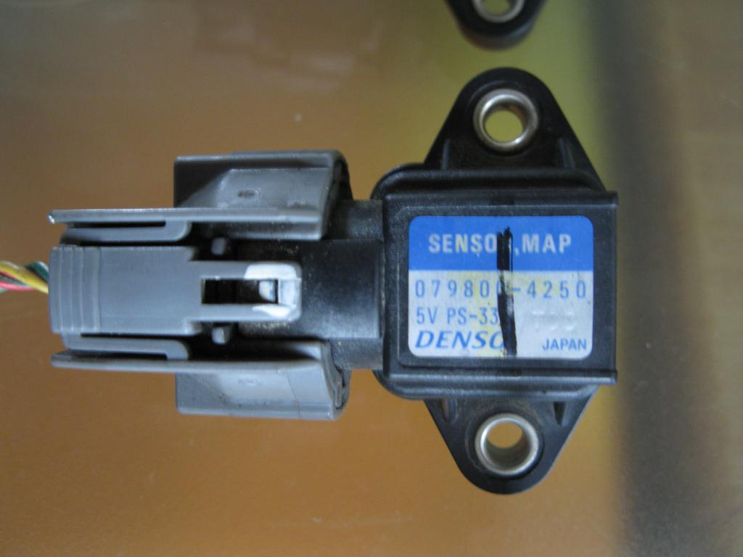
**Testing Notes** - Donner vehicle = Honda NA engine (Manifold/throttle body mounted) - Part # 079800-4250 - Voltage rating: 5V - Wire colour coding : - Red with Green Strip (RG) = V+ - Yellow with Red Strip (YR) = Vout - Greenn with White Strip (GW) = GND - Measured Resistance Readings : - RG ---> YR = 2.17kΩ - RG ---> GW = 5.94kΩ - YR ---> GW = 4.00kΩ - MAP Test date : 24-12-2011 @ 2300hrs : 1022 hPa

HITACHI - Subaru PS60-01
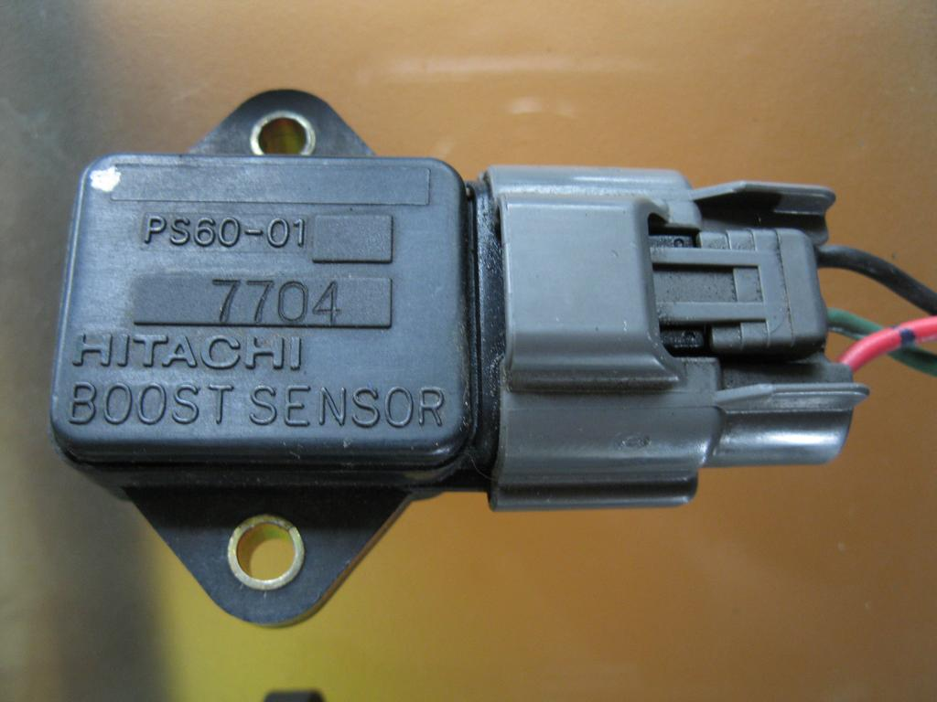
 |  |  | Measured | Measured
 | Calculated kPa | Gauge increment KPA | Voltage In | Sensor Vout

 | 32.27 | -70 | 5.19 | 1.48
 | 42.27 | -60 | 5.19 | 1.75
 | 52.27 | -50 | 5.19 | 2.15
 | 62.27 | -40 | 5.19 | 2.55
 | 72.27 | -30 | 5.19 | 3.12
 | 82.27 | -20 | 5.19 | 3.60
 | 92.27 | -10 | 5.19 | 4.00
Current ATM kPa | 102.27 | 0 | 5.19 | 4.55
 | 112.27 | 10 | 5.19 | 4.96
 | 122.27 | 20 | 5.19 | 5.18

**Testing Notes** - Donner vehicle = Subaru legacy turbo engine (located on right strut tower) - Part # PS60-01 7704 - Voltage rating: 5V - Colour Coding : - Red (R ) = +5V - Black (B) = GND - Green (G) = Vout - Measured Resistance Readings : - R ---> G = 15.3kΩ - R ---> B = 3.44kΩ - G ---> B = 15.9kΩ - MAP Test date : 24-12-2011 @ 2230hrs : 1022 hPa

DENSO - Subaru 12R13
 |  |  | Measured | Measured
 | Calculated kPa | Gauge increment KPA | Voltage In | Sensor Vout

 | 32.27 | -70 | 5.20 | 1.35
 | 42.27 | -60 | 5.20 | 1.44
 | 52.27 | -50 | 5.20 | 1.60
 | 62.27 | -40 | 5.20 | 1.75
 | 72.27 | -30 | 5.20 | 1.93
 | 82.27 | -20 | 5.20 | 2.10
 | 92.27 | -10 | 5.20 | 2.22
Current ATM kPa | 102.27 | 0 | 5.20 | 2.44
 | 112.27 | 10 | 5.20 | 2.64
 | 122.27 | 20 | 5.20 | 2.76
 | 132.27 | 30 | 5.20 | 2.93
 | 142.27 | 40 | 5.20 | 3.05
 | 152.27 | 50 | 5.20 | 3.21
 | 162.27 | 60 | 5.20 | 3.37
 | 172.27 | 70 | 5.20 | 3.51
 | 182.27 | 80 | 5.20 | 3.65
 | 192.27 | 90 | 5.20 | 3.80
 | 202.27 | 100 | 5.20 | 3.98
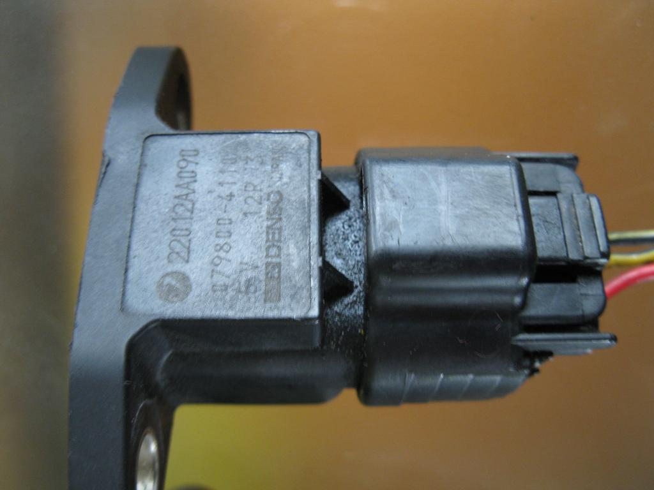
 | 212.27 | 110 | 5.20 | 4.10
 | 222.27 | 120 | 5.20 | 4.24
 | 232.27 | 130 | 5.20 | 4.39
 | 242.27 | 140 | 5.20 | 4.51

**Testing Notes** - Donner vehicle = Subaru legacy turbo engine (located on right strut tower) - Part # PS60-01 7704 - Voltage rating: 5V - Colour Coding : - Black with Yellow Strip (BY) =GND - Yellow with Black Strip (YB) = Vout - Red (R) = +5V - Measured Resistance Readings : - BY ---> YB = 7.46kΩ - BY ---> R = 3.64kΩ - YB ---> R = 7.82kΩ - MAP Test date : 24-12-2011 @ 2400hrs : 1022 hPa

OKI - Honda MNS-151
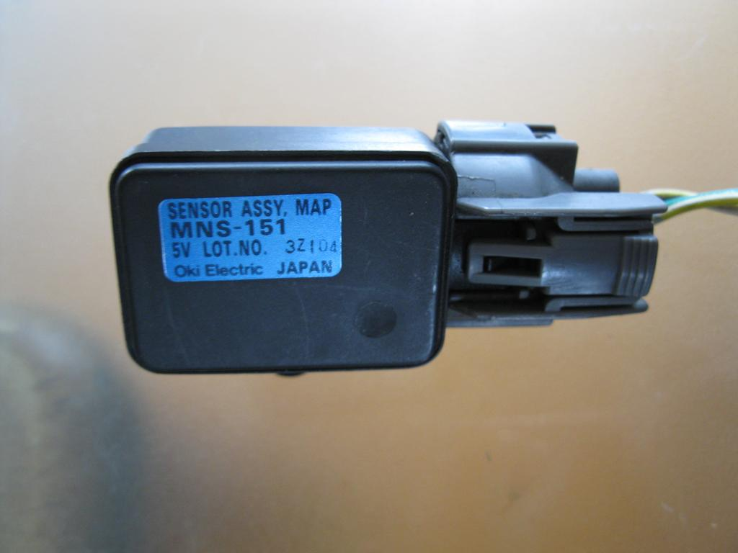
 |  |  | Measured | Measured
 | Calculated kPa | Gauge increment KPA | Voltage In | Sensor Vout

 | 42.27 | -60 | 5.18 | 1.32
 | 52.27 | -50 | 5.18 | 1.57
 | 62.27 | -40 | 5.18 | 1.87
 | 72.27 | -30 | 5.18 | 2.20
 | 82.27 | -20 | 5.18 | 2.45
 | 92.27 | -10 | 5.18 | 2.70
Current ATM kPa | 102.27 | 0 | 5.18 | 3.09
 | 112.27 | 10 | 5.18 | 3.46
 | 122.27 | 20 | 5.18 | 3.79
 | 132.27 | 30 | 5.18 | 4.00
 | 142.27 | 40 | 5.18 | 4.30
 | 152.27 | 50 | 5.18 | 4.46
 | 162.27 | 60 | 5.18 | 4.40

**Testing Notes** - Donner vehicle = Honda NA engine (Mounted against front left strut) - Part # MNS-151 3Z104 - Voltage rating: 5V - Wire colour coding : - Yellow with White Strip (YW) = V+ - Green with White Strip (GW) = GND - White with Yellow Strip (WY) = Vout - Measured Resistance Readings : - YW ---> GW = 6.04kΩ - YW ---> WY = 11.74kΩ - GW ---> WY = 10.07kΩ - MAP Test date : 24-12-2011 @ 2130hrs : 1022 hPa

DENSO - Toyota 10M02
 |  |  | Measured | Measured
 | Calculated kPa | Gauge increment KPA | Voltage In | Sensor Vout

 | 42.27 | -60 | 5.18 | 0.13
 | 52.27 | -50 | 5.18 | 0.28
 | 62.27 | -40 | 5.18 | 0.53
 | 72.27 | -30 | 5.18 | 0.82
 | 82.27 | -20 | 5.18 | 1.1
 | 92.27 | -10 | 5.18 | 1.4
Current ATM kPa | 102.27 | 0 | 5.18 | 1.65
 | 112.27 | 10 | 5.18 | 2.02
 | 122.27 | 20 | 5.18 | 2.35
 | 132.27 | 30 | 5.18 | 2.58
 | 142.27 | 40 | 5.18 | 2.88
 | 152.27 | 50 | 5.18 | 3.15
 | 162.27 | 60 | 5.18 | 3.42
 | 172.27 | 70 | 5.18 | 3.7
 | 182.27 | 80 | 5.18 | 3.96
 | 192.27 | 90 | 5.18 | 4.2
 | 202.27 | 100 | 5.18 | 4.55
 | 212.27 | 110 | 5.18 | 4.76
 | 222.27 | 120 | 5.18 | 5.09

**Testing Notes** - Doner vehicle = Toyota (ask spankme)

